Anscombe
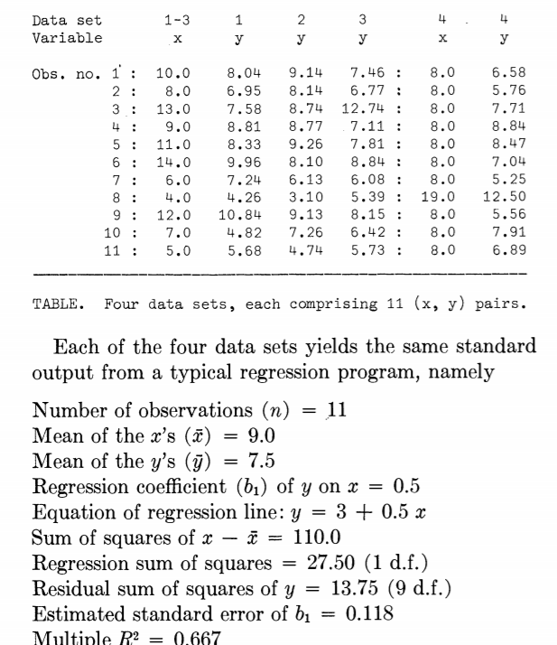
 | dataset 1 |  | dataset 2 |  | dataset 3 |  | dataset 4 |  |  | dataset 1 |  | dataset 2 |  | dataset 3 |  | dataset 4
Obs | x | y | x | y | x | y | x | y |  | Yest | ei/SYX (dataset1) | Yest | ei/SYX (dataset 2) | Yest | ei/SYX (dataset 3) | Yest | ei/SYX (dataset 4) | *Gere o gráfico do dataset 1 (Yest x ei/SYX)
1 | 10 | 8.04 | 10 | 9.14 | 10 | 7.46 | 8 | 6.58 |  |  |  |  |  |  |  |  |  | *Gere o gráfico do dataset 2 (Yest x ei/SYX)
2 | 8 | 6.95 | 8 | 8.14 | 8 | 6.77 | 8 | 5.76 |  |  |  |  |  |  |  |  |  | *Gere o gráfico do dataset 3 (Yest x ei/SYX)
3 | 13 | 7.58 | 13 | 8.74 | 13 | 12.74 | 8 | 7.71 |  |  |  |  |  |  |  |  |  | *Gere o gráfico do dataset 4 (Yest x ei/SYX)
4 | 9 | 8.81 | 9 | 8.77 | 9 | 7.11 | 8 | 8.84
5 | 11 | 8.33 | 11 | 9.26 | 11 | 7.81 | 8 | 8.47
6 | 14 | 9.96 | 14 | 8.1 | 14 | 8.84 | 8 | 7.04
7 | 6 | 7.24 | 6 | 6.13 | 6 | 6.08 | 8 | 5.25
8 | 4 | 4.26 | 4 | 3.1 | 4 | 5.39 | 19 | 12.5
9 | 12 | 10.84 | 12 | 9.13 | 12 | 8.15 | 8 | 5.56
10 | 7 | 4.82 | 7 | 7.26 | 7 | 6.42 | 8 | 7.91
11 | 5 | 5.68 | 5 | 4.74 | 5 | 5.73 | 8 | 6.89

 | Alfa | Beta | SYX | Sb1 | R^2 | Média X | Média Y | STQ | SQRes | SQReg
dataset 1
dataset 2
dataset 3
dataset 4

 |  | (Y-mediaY)^2 |  | (Y-mediaY)^2 |  | (Y-mediaY)^2 |  | (Y-mediaY)^2 |  | e dataset1 | e dataset2 | e dataset3 | e dataset4

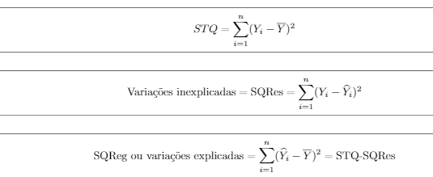

 |  | (Y-Yest)^2 |  | (Y-Yest)^2 |  | (Y-Yest)^2 |  | (Y-Yest)^2

